A1
 |  | Residential
 | Clerk | Residential Review (<$1K) | Residential Review (>$1K) | Commercial Applications | Electrician | Approval
Number of Employees | 5 | 12 | 15 | 20 | 24 | 8
Application Processing Time (minutes) | 10 | 30 | 45 | 90 | 60 | 10
Hours per Day | 8 | 8 | 8 | 4 | 5 | 3
Rate of rejection | 10% | 60% | 50% | 10% | 15% | 5%
Capacity (Applications/day) Capacity = (Number of Emplyees/Hours per day*60(for the hour)) / Processing Time (min) | 240 | 192 | 160 | 53.333333333 | 120 | 144

 |  | Residential
 | Clerk | Residential Review (<$1K) | Residential Review (>$1K) | Commercial Applications | Electrician | Approval
Bottleneck | 240 | 192 | 160 | 53.333333333 | 120 | 144
Our solution suggests there is a bottleneck for the whole process. Consequently, the firm’s capacity is 54 contracts per day.

Applications | 200

 |  | Residential
 | Clerk | Residential Review (<$1K) | Residential Review (>$1K) | Commercial Applications | Electrician | Approval
Flow Rate | 200 | 72 | 48 | 80 | 124.8 | 106.08
Accepted Applications | 180 | 28.8 | 24 | 72 | 106.08 | 100.776

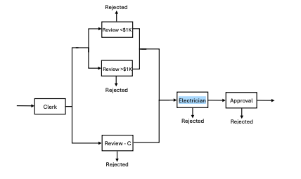
Utilization = Flow Rate of Electricians (Before Rejection) / Electrician Capacity | 104%

For utilization we will need to look at the number of applications reaching the electrician stage before rejection.
Utilization is based on how much work the electricians are tasked to handle relative to their capacity. In this case, the utilization of electrician is 1.04
This means that the demand exceeds capacity and electricians are over utilized and could cause a backlog of work.

